Sheet1
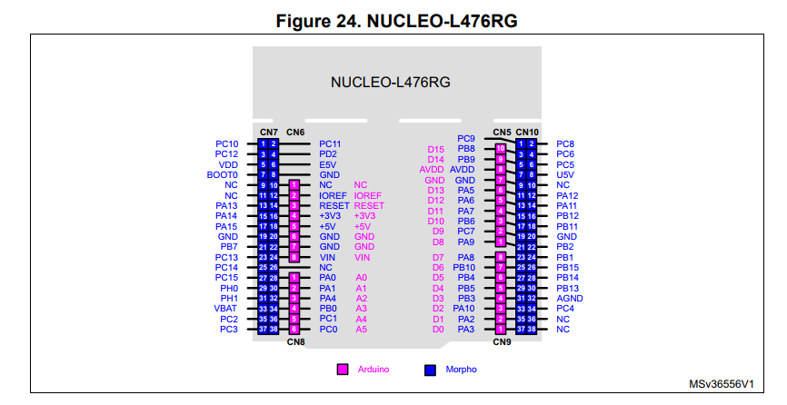
Cable | Contact | Color | Signal | Nucleo Pin | Romi PDB Pin
Encoders | 1 | Blue | Encoder 1 Ch. A | Timer 1 Ch 1 (PA9) | ELA
 | 2 | Yellow | Encoder 1 Ch. B | Timer 1 Ch 2 (PA8) | ELB
 | 1 | Yellow | Encoder 2 Ch. A | Timer 2 CH 1 (PA1) | ERA
 | 2 | Blue | Encoder 2 Ch. B | Timer 2 Ch 2 (PA0) | ERB
Motor | 1 | Yellow | Moter 1 Enable | Digital Output (PB8) | nSleep
 | 2 | Blue | Motor 1 Direction | Digital Output (PB9) | DIR
 | 3 | Green | Motor 1 Effort | Timer 3 Ch 1 (PA6) | PWM
 | 1 | Yellow | Motor 2 Enable | Digital Output (PB4) | nSleep
 | 2 | Blue | Motor 2 Direction | Digital Output (PB5) | DIR
 | 3 | Green | Motor 2 Effort | Timer 3 Ch 2 (PA7) | PWM
Power | 1 | Black | Ground | GND | GND
 | 2 | Red | Battery Power | VIN | VSW
HC-05 Bluetooth Module | 1 | Black | Ground | GND | N/A
 | 2 | Red | Power | 5V | N/A
 | 3 | Orange | TXD (Output) | Serial Input RX (PC5) | N/A
 | 4 | White | RXD (Input) | Serial Output TX(PC4) | N/A
QTR Line Sensor Array | 1 | Black | Ground | GND | N/A
 | 2 | Red | Power | 3V3 | N/A
 | 3 | Orange | Sensor 1 (Left) | Analog Input (PB0) | N/A
 | 4 | Brown | Sensor 2 | Analog Input (PB1) | N/A
 | 5 | Magenta | Sensor 3 (Middle) | Analog Input (PC0) | N/A
 | 6 | White | Sensor 4 | Analog Input (PA4) | N/A
 | 7 | Green | Sensor 5 (Right) | Analog Input (PC1) | N/A
 | 8 | Gray | Control Pin | Digital Output (PC10) | N/A | HC-05 Datasheet
BNO055 IMU | 1 | Black | Ground | GND | N/A
 | 2 | Red | Power | AVDD | N/A
 | 3 | Yellow | SDA | SDA2 (PB11) | N/A
 | 4 | Blue | SCL | SCL2 (PB10) | N/A
 | 5 | Green | nReset | GPIO (PB15) | N/A
SPDT Bump Switch | 1 | Orange | C | GPIO (PA15) | N/A
 | 2 | Gray | NO | GND | N/A

